Horizontal
Horizontal
Full coil movement Horizontal |  | FIELD IN QA |  |  |  | Current change
movement (mm) | L mH/m | Magnet analysis |  |  |  | Magnet analysis
-0.5 | 5.3709 | Linear movement at midpoint |  |  |  | Linear movement at midpoint
-0.25 | 5.3745 | QA 249 mm
0 | 5.3781 | centered around displacement |  |  |  | centered around displacement
0.25 | 5.3817 | range -0.5mm to 0.5 mm |  |  |  | range -0.5mm to 0.5 mm
0.5 | 5.3852 | Function Phi=kx+m, x in unit mm |  |  |  | Function deltaI=kx+m, x in unit mm
 |  | k | m | x |  | k | m
Horizontal with Iron |  | -0.0046073904287 | 0.99157927433 | -0.03 |  | -8.0174101134 | 0.0034899281542
movement (mm) | L mH/m
-0.5 | 5.718 |  |  | 0.99171749604 | 0.00013822171286
-0.25 | 5.721
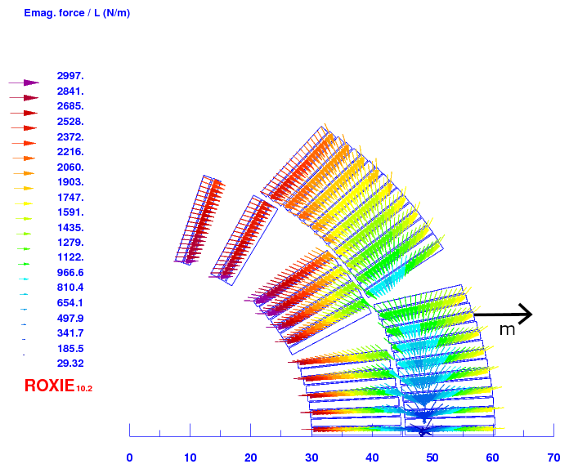
0 | 5.724
0.25 | 5.727
0.5 | 5.73

Horizontal with Iron

Angular
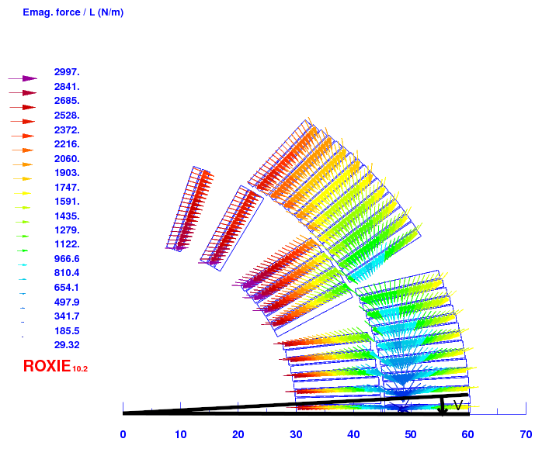
Angular movement
Angular Movement | minus here means outwards from the other coil - more separation |  | FIELD IN QA
angle | movement (mm) | L mH/m | Magnet analysis
0.15 | 0.0785 | 5.3823 | Linear movement at midpoint
0.075 | 0.0393 | 5.3802 | QA 249 mm
0 | 0 | 5.3781 | centered around displacement
-0.075 | -0.0393 | 5.376 | range -0.15° to 0.15°
-0.15 | -0.0785 | 5.3739 | Function y=kx+m, x in unit degrees
 |  |  | k | m | x
 |  |  | 0.0024196359909 | 0.99156977119

Vertical
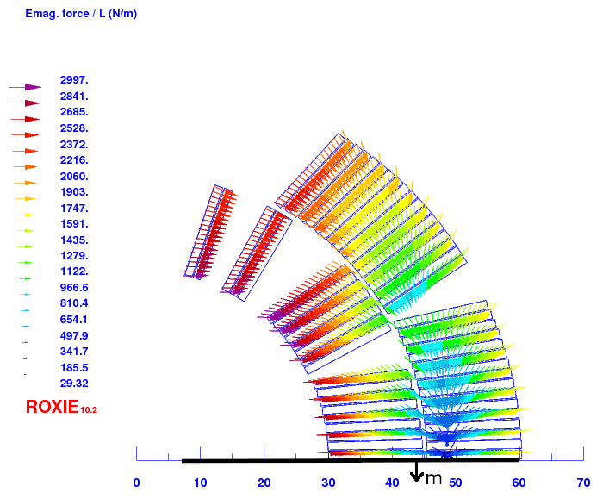
Full coil movement Vertical |  | FIELD IN QA
movement y (mm) | L mH/m | Magnet analysis
-0.1 | 5.3759 | Linear movement at midpoint
-0.05 | 5.377 | QA 249 mm
0 | 5.3781 | centered around displacement
0.05 | 5.3792 | range -0.1mm to 0.1 mm
0.1 | 5.3804 | Function y=kx+m, x in unit mm
 |  | k | m | x
 |  | 0.004481445482 | 0.99156999646

Roll Mid Point
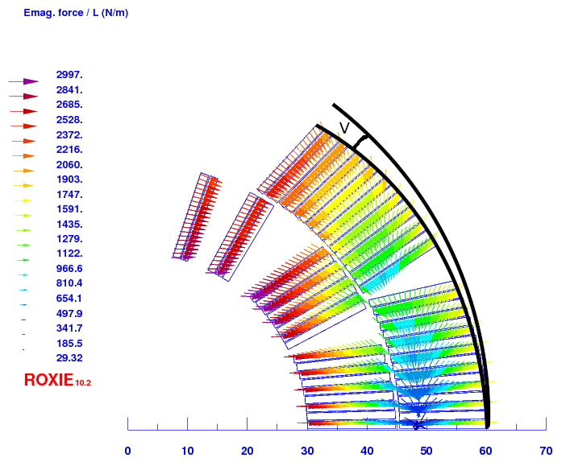
Roll Mid Point |  |  |  | FIELD IN QA
angle | L mH/m | roll around |  | Magnet analysis
1 | 5.3829 | x | 60 | Linear movement at midpoint
0.5 | 5.3805 | y | 0 | QA 249 mm
0 | 5.3781 |  |  | centered around displacement
-0.5 | 5.3758 |  |  | range -1° to 1°
-1 | 5.3736 |  |  | Function y=kx+m, x in unit degrees
 |  |  |  | k | m | x
 |  |  |  | -0.0022736331122 | 0.99158159852

Roll Bottom
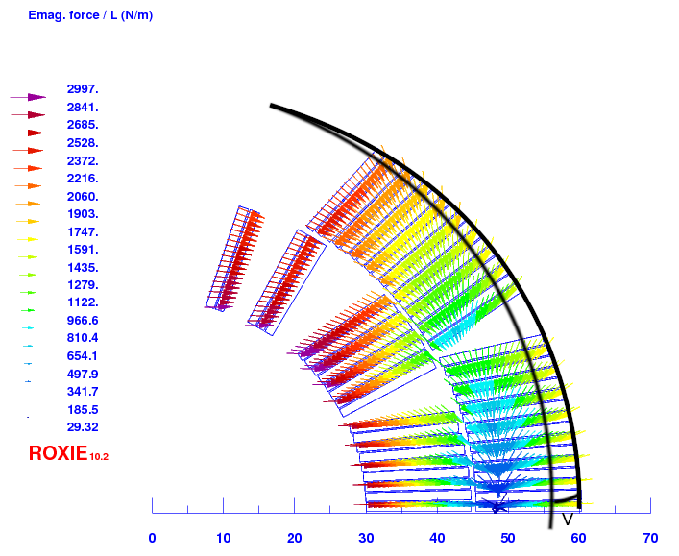
Roll Mid Point |  |  |  | FIELD IN QA
angle | L mH/m | roll around |  | Magnet analysis
0.5 | 5.3746 | x | 15.6 | Linear movement at midpoint
0.25 | 5.3764 | y | -59 | QA 249 mm, 36 turns
0 | 5.3781 |  |  | centered around displacement
-0.25 | 5.3798 |  |  | range -0.5° to 0.5°
-0.5 | 5.3814 |  |  | Function y=kx+m, x in unit degrees
 |  |  |  | k | m | x
 |  |  |  | 0.003670690288 | 0.99157512474

